Circle
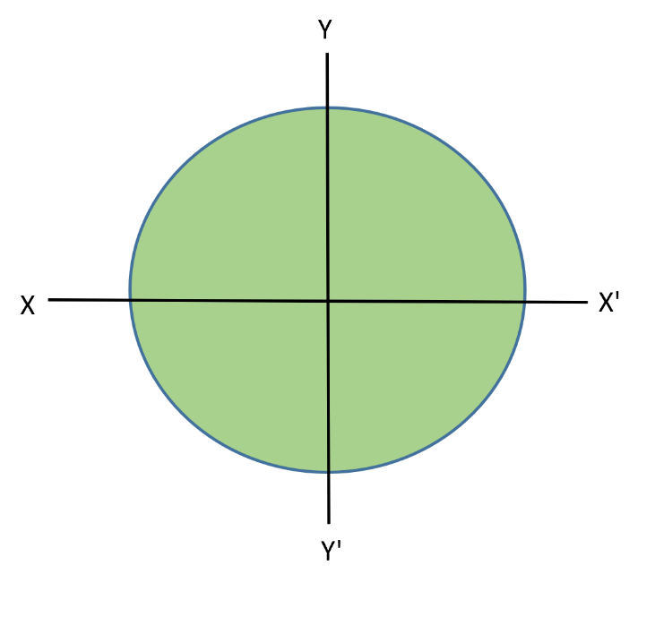
 | Input :-
$$(r)$$
$$m$$
 | Radius | = | 100

 | Output :-

$$π{ r}^{2}$$
$$m^{2}$$
$$\frac{π}{4}{ r}^{2}$$
$$m^{4}$$
$$\frac{π}{4}{ r}^{2}$$
$$m^{4}$$
 | Area = | = | 31415.926536
 | Ixx' = | = | 78539816.34
 | Iyy' = | = | 78539816.34
Ixx'+Iyy'
$$m^{4}$$
CIRCLE | Izz' = | = | 157079632.68

Rectangle
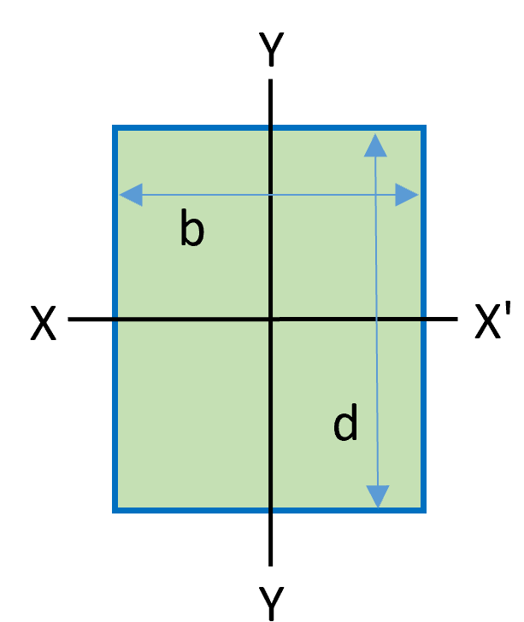
 | Input :-

($d)$
($b)$
$$m$$
$$m$$
 | Depth | = | 50
 | Width | = | 50
 | Output :-

$$bd$$
$$m^{2}$$
$$\frac{bd^{3}}{12}$$
$$m^{4}$$
$$\frac{db^{3}}{12}$$
$$m^{4}$$
 | Area = | = | 2500
 | Ixx' = | = | 520833.33333
Rectangle | Iyy' = | = | 520833.33333
Ixx'+Iyy'
$$m^{4}$$
 | Izz' = | = | 1041666.6667

X
X'

Y'

Hollow rectangular
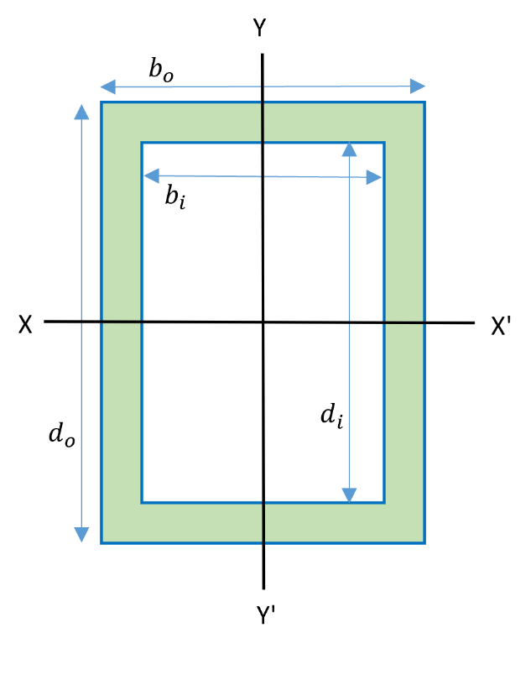

Y
$$b_{o}$$

$$b_{i}$$

X
X'

$$d_{o}$$
$$d_{i}$$

Y'

Angle
L1

t
L2

